NPR ECO-MAX 11MY-15MY
Isuzu 2011 - 2015 Model Year NPR ECO-MAX Completed Vehicle Frontal Area Calculation
 | The Isuzu NPR ECO-MAX was certified for EPA Emissions Compliance by testing a Completed Vehicle.
 | The maximum frontal area of your Completed Vehicle must not exceed the certified size which was tested.
 | The Completed Vehicle Manufacturer is responsible for meeting Frontal Area requirements, (similar to responsibilities of Vertical CG, Weight Distribution, etc.)
 | The maximum curb weight of your Completed Vehicle must not exceed 9,660 lbs.

 | The frontal area is calculated in two parts:
 |  | 1) Body Area (Outside Height x Outside Width)
 |  | 2) Cab/Chassis Non-Overlap Area (Based on Body Width and Mounting Height.) Use Table 1 for manual frontal area calculation; or fill out Table 3 to automatically populate Calculators #1 - #4.

Completed Vehicle Frontal Area (ft²) less than or equal to IVD max
=
=
Body Outside Height
x Body Outside Width
H (in) x W (in) / 144
W =Body Outside Width
H =Body Outside Height
+
+
Non-Overlap Area
from Table 1, (ft²)
M =Mount Height
 | 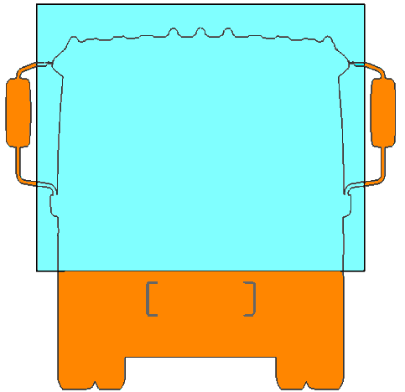 |  |  |  |  | 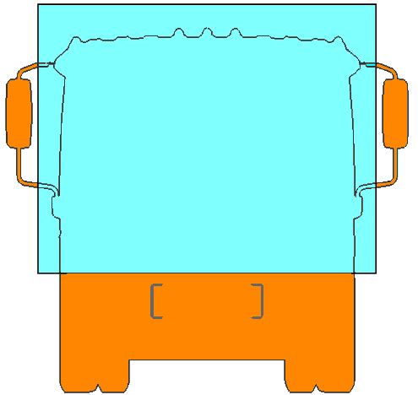 |  |  |  |  | 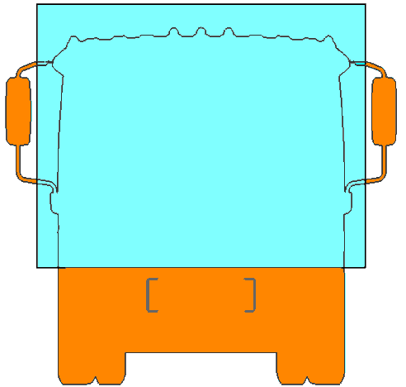

M =Mount Height

 | TABLE 1
 | Cab/Chassis Non-Overlap Area, ft2
 | W Body Width | M, Body Mounting Height (Between the bottom of Body and the Top of Frame Rail, in inches)
 |  | 2 | 2.5 | 3 | 3.5 | 4 | 4.25 | 4.5 | 5 | 5.5 | 6 | 6.5 | 7 | 7.5 | 8
 | 84" | 16.5 | 16.8 | 17.1 | 17.4 | 17.6 | 17.8 | 18.0 | 18.2 | 18.5 | 18.8 | 19.1 | 19.3 | 19.6 | 19.9
 | 90" | 16.4 | 16.8 | 17.0 | 17.3 | 17.6 | 17.8 | 17.9 | 18.1 | 18.4 | 18.7 | 19.0 | 19.2 | 19.6 | 19.8
 | 96" | 16.2 | 16.5 | 16.7 | 17.1 | 17.3 | 17.4 | 17.6 | 17.8 | 18.2 | 18.4 | 18.7 | 19.0 | 19.3 | 19.5

 |  | Manual Calculation Example: 2013 ECO-MAX, 90" Outside Width, 85.6" Outside Height (79" Inside Height),
 |  | 4" Long Sills, 2.5" of mounting wood. Body mounting height is 6.5" (4" Long Sill + 2.5" Wood)

 |  | Body frontal area: |  |  |  |  | 90 x 85.6 / 144 = 53.5 ft2
 |  | Non-Overlap Area (from Table 1): |  |  |  |  | 19.0 ft2
 |  | Total completed vehicle frontal area: |  |  |  |  | 53.5 ft2 + 19.0 ft2 = 72.5 ft2 |  |  |  | (Below 2011 - 2013 Limit)

Frontal Area Limits
 | The 2011 - 2013 Model Year certifications have a frontal area limit of 74.5 ft2 (6.92 m2).
 | The 2014 - 2015 Model Year certifications have a frontal area limit of:
 | - Base Chassis Limit: 79.7 ft2 (7.40 m2). No Isuzu Application Approval is Required.
 | - Base Chassis Limit with Isuzu Air Deflector PN 8982537260: 84.6 ft2 (7.86 m2). Approval is Required for this optional frontal area.
 | Your Isuzu dealer can obtain approval information from Isuzu Application Engineering.

 | TABLE 2
 | Completed Frontal Area Limits by NPR ECO-MAX Model Year 2011 - 2015
 | Model Year |  | Wheelbase |  |  | Max Frontal Area |  |  |  |  | Application Approval
 | 2011 - 2013 |  | 110" 134" 151" NJ1 NJ2 NJ3 |  |  |  | 74.5 | ft2 = | 6.92 | m2 | Not required
 | 2014 - 2015 |  | 110" 134" 151" NJ1 NJ2 NJ3 |  |  |  | 79.7 | ft2 = | 7.40 | m2 | Not required
 | 2014 - 2015 With Air Deflector |  | 134" 151" NJ2 NJ3 (110" NJ1 not available) |  |  |  | 84.6 | ft2 = | 7.86 | m2 | Required

 | This frontal area calculator is a supplemental tool provided by Isuzu Commercial Truck of America.
 | Always consult the Incomplete Vehicle Document (IVD) for the completed vehicle requirements.
 | A copy of the IVD is also available in the Isuzu Body Buidlers Guide.

Inside Height
Roof Thickness
(Includes Crown)
Floor Thickness
Mounting Wood Thickness
Long Sill Height
Cross Sill Height
W =Body Outside Width
H =
Outside
Height
M =
Long Sill
Height
+
Mounting Wood Thickness
Table 3: Van Body Dimensional Values
 | Please fill in the BLUE cells to generate the Frontal Area results for Calculators #1 - #4.
 |  | = User Defined Value
 |  | = Calculated Value (Locked)

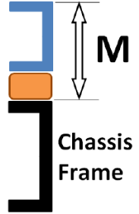
 | Roof Thickness, in | 2.5
 | Floor Thickness, in | 1.125
 | Cross Sill Height, in | 3
 | Long Sill Height, in | 4
 | Mounting Wood Thickness, in | 2.5
 | Body Mounting Height (M), in | 6.50

Calculator 1: Completed Vehicle Frontal Area From Body Inside Height |  |  |  |  |  |  |  |  |  |  |  |  | (Results based on Table 3 input)

 | Body Outside Width W, in | Body Inside Height, in |  | Body Outside Height, in |  | Body Frontal Area, ft2 |  | Completed Vehicle Frontal Area, ft2 |  |  | Proposed Condition OK?
 |  |  |  |  |  |  |  |  |  |  | 2011 - 2013 | 2014 - 2015 Without Air Deflector | 2014 - 2015 With Air Deflector
 | 84 | 79 |  | 85.625 |  | 49.9 |  | 69.0 |  |  | OK | OK | OK
 | 84 | 85 |  | 91.625 |  | 53.4 |  | 72.5 |  |  | OK | OK | OK
 | 84 | 91 |  | 97.625 |  | 56.9 |  | 76.0 |  |  | - | OK | OK
 | 90 | 79 |  | 85.625 |  | 53.5 |  | 72.5 |  |  | OK | OK | OK
 | 90 | 85 |  | 91.625 |  | 57.3 |  | 76.2 |  |  | - | OK | OK
 | 90 | 91 |  | 97.625 |  | 61.0 |  | 80.0 |  |  | - | - | OK
 | 96 | 79 |  | 85.625 |  | 57.1 |  | 75.8 |  |  | - | OK | OK
 | 96 | 85 |  | 91.625 |  | 61.1 |  | 79.8 |  |  | - | - | OK
 | 96 | 91 |  | 97.625 |  | 65.1 |  | 83.8 |  |  | - | - | OK

Calculator 2: Completed Vehicle Frontal Area From Body Outside Height |  |  |  |  |  |  |  |  |  |  |  |  | (Results based on Table 3 input)

 | Body Outside Width W, in | Body Inside Height, in |  | Body Outside Height, in |  | Body Frontal Area, ft2 |  | Completed Vehicle Frontal Area, ft2 |  |  | Proposed Condition OK?
 |  |  |  |  |  |  |  |  |  |  | 2011 - 2013 | 2014 - 2015 Without Air Deflector | 2014 - 2015 With Air Deflector
 | 84 | 78.375 |  | 85 |  | 49.6 |  | 68.6 |  |  | OK | OK | OK
 | 84 | 84.375 |  | 91 |  | 53.1 |  | 72.1 |  |  | OK | OK | OK
 | 84 | 89.375 |  | 96 |  | 56.0 |  | 75.1 |  |  | - | OK | OK
 | 90 | 78.375 |  | 85 |  | 53.1 |  | 72.1 |  |  | OK | OK | OK
 | 90 | 84.375 |  | 91 |  | 56.9 |  | 75.9 |  |  | - | OK | OK
 | 90 | 90.375 |  | 97 |  | 60.6 |  | 79.6 |  |  | - | OK | OK
 | 96 | 78.375 |  | 85 |  | 56.7 |  | 75.4 |  |  | - | OK | OK
 | 96 | 84.375 |  | 91 |  | 60.7 |  | 79.4 |  |  | - | OK | OK
 | 96 | 90.375 |  | 97 |  | 64.7 |  | 83.4 |  |  | - | - | OK

Calculator 3: Maximum Allowed Body Mounting Height (see note at bottom of chart) |  |  |  |  |  |  |  |  |  |  |  |  | (Results based on Table 3 input)

 | Body Outside Width W, in | Body Inside Height, in |  |  | Body Outside Height, in |  |  | Body Frontal Area, ft2 |  |  | Max Mount Height (M), in
 |  |  |  |  |  |  |  |  |  |  | 2011 - 2013 | 2014 - 2015 Without Air Deflector | 2014 - 2015 With Air Deflector
 | 84 | 79 |  |  | 85.625 |  |  | 49.9 |  |  | 16.3 | 25.6 | 34.4
 | 84 | 85 |  |  | 91.625 |  |  | 53.4 |  |  | 10.1 | 19.4 | 28.1
 | 84 | 91 |  |  | 97.625 |  |  | 56.9 |  |  | 3.8 | 13.1 | 21.9
 | 90 | 79 |  |  | 85.625 |  |  | 53.5 |  |  | 10.1 | 19.4 | 28.2
 | 90 | 85 |  |  | 91.625 |  |  | 57.3 |  |  | 3.4 | 12.7 | 21.5
 | 90 | 91 |  |  | 97.625 |  |  | 61.0 |  |  | - | 6.0 | 14.7
 | 96 | 79 |  |  | 85.625 |  |  | 57.1 |  |  | 4.25 | 13.5 | 22.3
 | 96 | 85 |  |  | 91.625 |  |  | 61.1 |  |  | - | 6.4 | 15.1
 | 96 | 91 |  |  | 97.625 |  |  | 65.1 |  |  | - | - | 8.0
 |  |  |  |  |  |  |  | Note: Calculated height values. Mount height over 10" is not typical.

Calculator 4: Maximum Allowed Body Inside Height |  |  |  |  |  |  |  |  |  |  |  |  | (Results based on Table 3 input)

 | Body Outside Width W, in | Cab/Chassis Non-Overlap Area, ft2 |  |  | Max Body Frontal Area, ft2 |  |  | Max Inside Height, in |  |  | Max Outside Height, in
 |  |  |  |  | 2011 - 2013 | 2014 - 2015 Without Air Deflector | 2014 - 2015 With Air Deflector | 2011 - 2013 | 2014 - 2015 Without Air Deflector | 2014 - 2015 With Air Deflector | 2011 - 2013 | 2014 - 2015 Without Air Deflector | 2014 - 2015 With Air Deflector
 | 84 | 19.1 |  |  | 55.4 | 60.6 | 65.5 | 88.4 | 91.0 | 91.0 | 95.1 | 97.6 | 97.6
 | 90 | 19.0 |  |  | 55.5 | 60.7 | 65.6 | 82.2 | 90.5 | 91.0 | 88.8 | 97.1 | 97.6
 | 96 | 18.7 |  |  | 55.8 | 61.0 | 65.9 | 77.1 | 84.9 | 91.0 | 83.7 | 91.5 | 97.6
 |  |  |  |  |  |  |  | Note: Max Inside Height is 91.0, regardless of area calculation

 | ICTA Frontal Area Calculator
 | Filename: "NPR_ECO-MAX_FrontalAreaCalculator 2016-04-20.xlsx"
 | Revision Date: 2016-04-22

